Fixtures
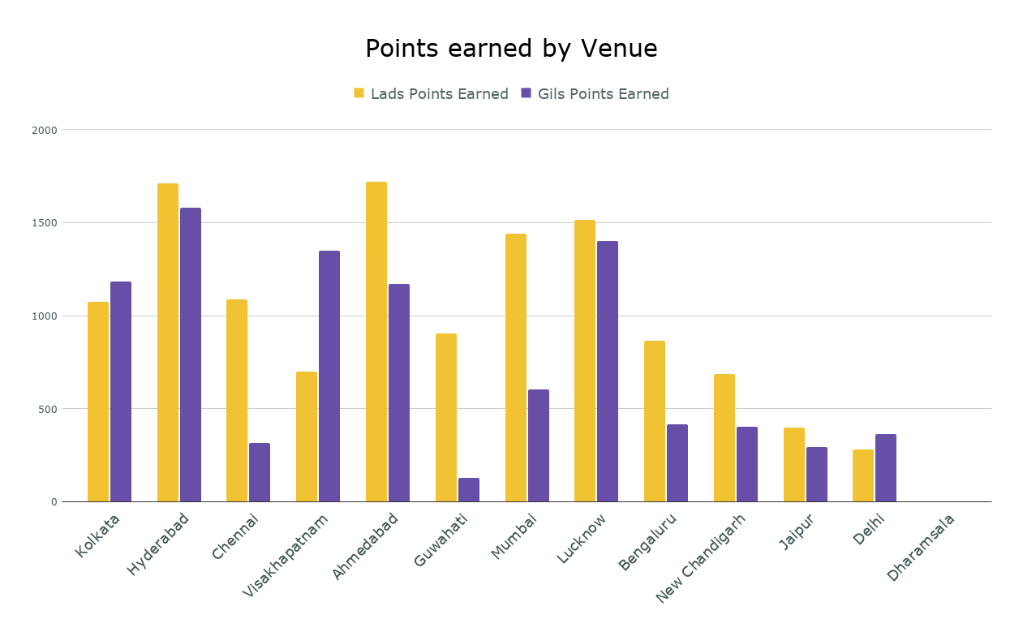
Match | Date | Fixture | Time | Venue | Lads Points Earned | Gils Points Earned | Lads Form | Gils Form
1 | March 22, Saturday | Kolkata Knight Riders vs Royal Challengers Bengaluru | 19:30:00 | Kolkata | 294 | 153 | W | L
2 | March 23, Sunday | Sunrisers Hyderabad vs Rajasthan Royals | 15:30:00 | Hyderabad | 253 | 237 | W | L
3 | March 23, Sunday | Chennai Super Kings vs Mumbai Indians | 19:30:00 | Chennai | 137 | 145 | L | W
4 | March 24, Monday | Delhi Capitals vs Lucknow Super Giants | 19:30:00 | Visakhapatnam | 536 | 698 | L | W
5 | March 25, Tuesday | Gujarat Titans vs Punjab Kings | 19:30:00 | Ahmedabad | 451.5 | -5 | W | L
6 | March 26, Wednesday | Rajasthan Royals vs Kolkata Knight Riders | 19:30:00 | Guwahati | 520 | 76 | W | L
7 | March 27, Thursday | Sunrisers Hyderabad vs Lucknow Super Giants | 19:30:00 | Hyderabad | 98 | 623 | L | W
8 | March 28, Friday | Chennai Super Kings vs Royal Challengers Bengaluru | 19:30:00 | Chennai | 216 | 103 | W | L
9 | March 29, Saturday | Gujarat Titans vs Mumbai Indians | 19:30:00 | Ahmedabad | 746 | 513 | W | L
10 | March 30, Sunday | Delhi Capitals vs Sunrisers Hyderabad | 15:30:00 | Visakhapatnam | 162 | 653 | L | W
11 | March 30, Sunday | Rajasthan Royals vs Chennai Super Kings | 19:30:00 | Guwahati | 386 | 52 | W | L
12 | March 31, Monday | Mumbai Indians vs Kolkata Knight Riders | 19:30:00 | Mumbai | 208 | 57 | W | L
13 | April 1, Tuesday | Lucknow Super Giants vs Punjab Kings | 19:30:00 | Lucknow | 133 | 212 | L | W
14 | April 2, Wednesday | Royal Challengers Bengaluru vs Gujarat Titans | 19:30:00 | Bengaluru | 346 | 286 | W | L
15 | April 3, Thursday | Kolkata Knight Riders vs Sunrisers Hyderabad | 19:30:00 | Kolkata | 508 | 509 | L | W
16 | April 4, Friday | Lucknow Super Giants vs Mumbai Indians | 19:30:00 | Lucknow | 752 | 448 | W | L
17 | April 5, Saturday | Chennai Super Kings vs Delhi Capitals | 15:30:00 | Chennai | 94.5 | 65 | W | L
18 | April 5, Saturday | Punjab Kings vs Rajasthan Royals | 19:30:00 | New Chandigarh | 200 | 40 | W | L
19 | April 6, Sunday | Sunrisers Hyderabad vs Gujarat Titans | 19:30:00 | Hyderabad | 722 | 555 | W | L
20 | April 6, Sunday | Mumbai Indians vs Royal Challengers Bengaluru | 19:30:00 | Mumbai | 668 | 547 | W | L
21 | April 7, Monday | Kolkata Knight Riders vs Lucknow Super Giants | 15:30:00 | Kolkata | 272 | 522 | L | W
22 | April 8, Tuesday | Punjab Kings vs Chennai Super Kings | 19:30:00 | New Chandigarh | 101 | 13 | W | L
23 | April 9, Wednesday | Gujarat Titans vs Rajasthan Royals | 19:30:00 | Ahmedabad | 522 | 662 | L | W
24 | April 10, Thursday | Royal Challengers Bengaluru vs Delhi Capitals | 19:30:00 | Bengaluru | 519 | 131 | W | L
25 | April 11, Friday | Chennai Super Kings vs Kolkata Knight Riders | 19:30:00 | Chennai | 638 | 3 | W | L
26 | April 12, Saturday | Lucknow Super Giants vs Gujarat Titans | 15:30:00 | Lucknow | 422 | 678 | L | W
27 | April 12, Saturday | Sunrisers Hyderabad vs Punjab Kings | 19:30:00 | Hyderabad | 639 | 167 | W | L
28 | April 13, Sunday | Rajasthan Royals vs Royal Challengers Bengaluru | 15:30:00 | Jaipur | 400 | 294 | W | L
29 | April 13, Sunday | Delhi Capitals vs Mumbai Indians | 19:30:00 | Delhi | 70 | 364 | L | W
30 | April 14, Monday | Lucknow Super Giants vs Chennai Super Kings | 19:30:00 | Lucknow | 209 | 62 | W | L
31 | April 15, Tuesday | Punjab Kings vs Kolkata Knight Riders | 19:30:00 | New Chandigarh | 386 | 349 | W | L
32 | April 16, Wednesday | Delhi Capitals vs Rajasthan Royals | 19:30:00 | Delhi | 211 | 0 | W | L
33 | April 17, Thursday | Mumbai Indians vs Sunrisers Hyderabad | 19:30:00 | Mumbai | 564 | 0 | W | L
34 | April 18, Friday | Royal Challengers Bengaluru vs Punjab Kings | 19:30:00 | Bengaluru | 0 | 0 | D | D | Metric | LADS | GILS
35 | April 19, Saturday | Gujarat Titans vs Delhi Capitals | 15:30:00 | Ahmedabad | 0 | 0 | D | D | ORANGE CAP | 3958 | 3386
36 | April 19, Saturday | Rajasthan Royals vs Lucknow Super Giants | 19:30:00 | Jaipur | 0 | 0 | D | D | PURPLE CAP | 3250 | 2635
37 | April 20, Sunday | Punjab Kings vs Royal Challengers Bengaluru | 15:30:00 | New Chandigarh | 0 | 0 | D | D | LONGEST WIN STREAK | 5 | 2
38 | April 20, Sunday | Mumbai Indians vs Chennai Super Kings | 19:30:00 | Mumbai | 0 | 0 | D | D | PURPLE HITS | 11 | 7
39 | April 21, Monday | Kolkata Knight Riders vs Gujarat Titans | 19:30:00 | Kolkata | 0 | 0 | D | D | WINS | 23 | 10
40 | April 22, Tuesday | Lucknow Super Giants vs Delhi Capitals | 19:30:00 | Lucknow | 0 | 0 | D | D
41 | April 23, Wednesday | Sunrisers Hyderabad vs Mumbai Indians | 19:30:00 | Hyderabad | 0 | 0 | D | D | ALL INS REM. | 0 | 2
42 | April 24, Thursday | Royal Challengers Bengaluru vs Rajasthan Royals | 19:30:00 | Bengaluru | 0 | 0 | D | D
43 | April 25, Friday | Chennai Super Kings vs Sunrisers Hyderabad | 19:30:00 | Chennai | 0 | 0 | D | D
44 | April 26, Saturday | Kolkata Knight Riders vs Punjab Kings | 19:30:00 | Kolkata | 0 | 0 | D | D | LADS LEAD BY 3172 POINT(S)
45 | April 27, Sunday | Mumbai Indians vs Lucknow Super Giants | 15:30:00 | Mumbai | 0 | 0 | D | D
46 | April 27, Sunday | Delhi Capitals vs Royal Challengers Bengaluru | 19:30:00 | Delhi | 0 | 0 | D | D
47 | April 28, Monday | Rajasthan Royals vs Gujarat Titans | 19:30:00 | Jaipur | 0 | 0 | D | D
48 | April 29, Tuesday | Delhi Capitals vs Kolkata Knight Riders | 19:30:00 | Delhi | 0 | 0 | D | D
49 | April 30, Wednesday | Chennai Super Kings vs Punjab Kings | 19:30:00 | Chennai | 0 | 0 | D | D
50 | May 1, Thursday | Rajasthan Royals vs Mumbai Indians | 19:30:00 | Jaipur | 0 | 0 | D | D
51 | May 2, Friday | Gujarat Titans vs Sunrisers Hyderabad | 19:30:00 | Ahmedabad | 0 | 0 | D | D
52 | May 3, Saturday | Royal Challengers Bengaluru vs Chennai Super Kings | 19:30:00 | Bengaluru | 0 | 0 | D | D
53 | May 4, Sunday | Kolkata Knight Riders vs Rajasthan Royals | 15:30:00 | Kolkata | 0 | 0 | D | D
54 | May 4, Sunday | Punjab Kings vs Lucknow Super Giants | 19:30:00 | Dharamsala | 0 | 0 | D | D
55 | May 5, Monday | Sunrisers Hyderabad vs Delhi Capitals | 19:30:00 | Hyderabad | 0 | 0 | D | D
Points Accumulated
56 | May 6, Tuesday | Mumbai Indians vs Gujarat Titans | 19:30:00 | Mumbai | 0 | 0 | D | D
57 | May 7, Wednesday | Kolkata Knight Riders vs Chennai Super Kings | 19:30:00 | Kolkata | 0 | 0 | D | D
58 | May 8, Thursday | Punjab Kings vs Delhi Capitals | 19:30:00 | Dharamsala | 0 | 0 | D | D
59 | May 9, Friday | Lucknow Super Giants vs Royal Challengers Bengaluru | 19:30:00 | Lucknow | 0 | 0 | D | D
60 | May 10, Saturday | Sunrisers Hyderabad vs Kolkata Knight Riders | 19:30:00 | Hyderabad | 0 | 0 | D | D
61 | May 11, Sunday | Punjab Kings vs Mumbai Indians | 15:30:00 | Dharamsala | 0 | 0 | D | D
62 | May 11, Sunday | Delhi Capitals vs Gujarat Titans | 19:30:00 | Delhi | 0 | 0 | D | D
63 | May 12, Monday | Chennai Super Kings vs Rajasthan Royals | 19:30:00 | Chennai | 0 | 0 | D | D
64 | May 13, Tuesday | Royal Challengers Bengaluru vs Sunrisers Hyderabad | 19:30:00 | Bengaluru | 0 | 0 | D | D
65 | May 14, Wednesday | Gujarat Titans vs Lucknow Super Giants | 19:30:00 | Ahmedabad | 0 | 0 | D | D
66 | May 15, Thursday | Mumbai Indians vs Delhi Capitals | 19:30:00 | Mumbai | 0 | 0 | D | D
67 | May 16, Friday | Rajasthan Royals vs Punjab Kings | 19:30:00 | Jaipur | 0 | 0 | D | D
68 | May 17, Saturday | Royal Challengers Bengaluru vs Kolkata Knight Riders | 19:30:00 | Bengaluru | 0 | 0 | D | D
69 | May 18, Sunday | Gujarat Titans vs Chennai Super Kings | 15:30:00 | Ahmedabad | 0 | 0 | D | D
70 | May 18, Sunday | Lucknow Super Giants vs Sunrisers Hyderabad | 19:30:00 | Lucknow | 0 | 0 | D | D
71 | May 20, Tuesday | Qualifier 1 | 19:30:00 | Hyderabad | 0 | 0 | D | D
72 | May 21, Wednesday | Eliminator | 19:30:00 | Hyderabad | 0 | 0 | D | D
73 | May 23, Friday | Qualifier 2 | 19:30:00 | Kolkata | 0 | 0 | D | D
74 | May 25, Sunday | Final | 7:30 PM | Kolkata | 0 | 0 | D | D
 |  | TOTAL POINTS EARNED |  |  | 12384 | 9212

